Example Problem 1
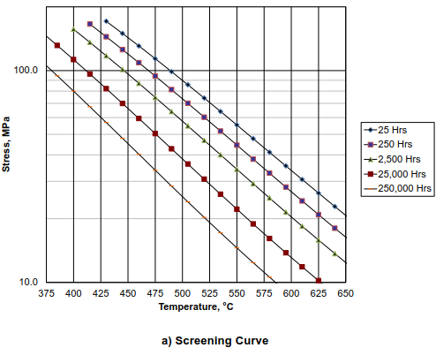
Assessment of components operating in the creep range Based on API579-1/ASME FFS-1, Part 10

1. Desigen Data
 | Item No. |  |  |  |  |  |  |  | = | EXAMPLE 1(API 579-2/ASME FFS-2)
 | Component |  |  |  |  |  |  |  | = | Cylindrical Shell and 2:1 Elliptical Head
 | Material |  |  |  |  |  |  |  | = | SA-516 Gr 70 + S5
 | Inside Diameter(mm) |  |  |  |  |  |  |  | = | 1900
 | Fabricated Thickness for shell(mm) |  |  |  |  |  |  |  | = | 32
 | Fabricated Thickness for Head(mm) |  |  |  |  |  |  |  | = | 30.6
 | Future Corrosion Allowance(FCA) |  |  |  |  |  |  |  | = | 3
 | Weld Joint Efficiency, E |  |  |  |  |  |  |  | = | 1
 | Unsupported Length(mm) |  |  |  |  |  |  |  | = | 4100

 | j |  |  |  |  | 1 |  |  | 2 |  |  |  |  | Total
 | Pressure (kg/mm^2) |  |  |  |  | 0.405000 |  |  | 0.005100 |  |  |  |  | -
 | Temperature (℃) |  |  |  |  | 250 |  |  | 538 |  |  |  |  | -
 | Duration (hours) |  |  |  |  | 261840 |  |  | 960 |  |  |  |  | 262800
 | Duration (years) |  |  |  |  | 29.890410959 |  |  | 0.1095890411 |  |  |  |  | 30

2. Level 1 Assessment for Cylindrical Shell
a) | STEP 1 - Determine the maximum operating temperature, pressure, and service time
 | the component was exposed to. Since the component contains a weld seam exposed to the
 | excursion conditons, 4℃ shall be added to the maximum operating temperature.

 | T max |  |  |  | = | 542.00
 | P max |  |  |  | = | 0.005100
 | Time |  |  |  | = | 960

b) | STEP 2 - Determine the nominal stress of the component for each of the operating conditions defined
 | in STEP 1 using Annex 2C. The computed nomainal stress shall include of service-induced wall thining.

 | Definition of common variables:
 |  | R | = | I.D/2 + FCA
 |  |  | = | 953.00
 |  | tc(S) | = | t-FCA |  |  |  |  | tc(H) |  | = | t-FCA
 |  |  | = | 29 |  |  |  |  |  |  | = | 27.6
 | Supplemental loadings are not considered in this calculation.

 | Cylindrical shell circumferential membrane stress (2C.11)

 |  | σcm |  | = | 0.17065655172 |  |  | kg/mm^2

 | Cylindrical shell longitudinal membrane stress (2C.17)

 |  | σLm |  | = | 0.082778275862 |  |  | kg/mm^2
 | Elliptical head membrane stress (2C.33 and 2C.32)
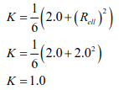

 |  | σm[H] |  | = | 0.17660782609 |  |  | kg/mm^2
 |  | σmax |  | = | max ( σcm, σLm, σm[H])
 |  |  |  | = | 0.17660782609 |  |  | kg/mm^2
 |  |  |  | = | 1.7319311377 |  |  | Mpa

c) | STEP 3 - Determine the material of construction for component and find the figure with damage
 | curves to be used for the Level 1 assessment from Figures 10.3 through 10.25
 | the cylindrical shell and head are constructed of |  |  |  |  |  |  |  |  |  | SA-516 Gr 70 + S5 |  | , therefore, Figure |  | 10.3M
 | shall be used for the analysis.

d) | STEP 4 – Determine the maximum permissible time for operation based on the screening curve
 | obtained from STEP 3, the nominal stress from STEP 2, and the assessment temperature from STEP 1.
 | If the time determined from the screening curve exceeds the service time for the component from
 | STEP 1, then the component is acceptable per the Level 1 Assessment procedure.

 | From Figure |  |  | 10.3M |  | , | the acceptable creep life of shell and head at 10 Mpa and 580℃
 | is over 250,000 hours(28.538 years).

712-C-910_EP1_1.25cr-0.5Mo
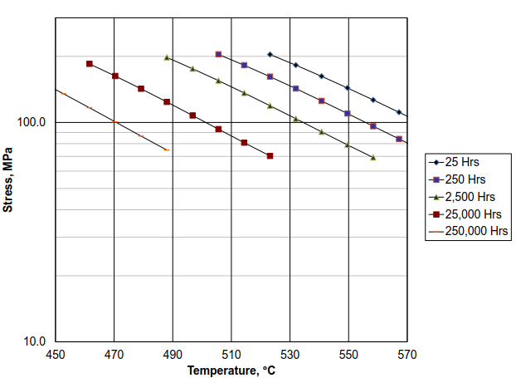
Assessment of components operating in the creep range Based on API579-1/ASME FFS-1, Part 10

1. Desigen Data
 | Item No. |  |  |  |  |  |  |  | = | 712-C-910A/B
 | Component |  |  |  |  |  |  |  | = | Cylindrical Shell and 2:1 Elliptical Head
 | Material |  |  |  |  |  |  |  | = | SA-387 Gr 11 CL.2 + S5
 | Inside Diameter(mm) |  |  |  |  |  |  |  | = | 3100
 | Fabricated Thickness for shell(mm) |  |  |  |  |  |  |  | = | 18
 | Fabricated Thickness for Head(mm) |  |  |  |  |  |  |  | = | 17.8
 | Future Corrosion Allowance(FCA) |  |  |  |  |  |  |  | = | 3
 | Weld Joint Efficiency, E |  |  |  |  |  |  |  | = | 1
 | Unsupported Length(mm) |  |  |  |  |  |  |  | = | 4600

 | j |  |  |  |  | 1 |  |  | 2 |  |  |  |  | Total
 | Pressure (kg/mm^2) |  |  |  |  | 0.138000 |  |  | 0.008200 |  |  |  |  | -
 | Temperature (℃) |  |  |  |  | 276 |  |  | 540 |  |  |  |  | -
 | Duration (hours) |  |  |  |  | 262215 |  |  | 585 |  |  |  |  | 262800
 | Duration (years) |  |  |  |  | 29.933219178 |  |  | 0.066780821918 |  |  |  |  | 30

2. Level 1 Assessment for Cylindrical Shell
a) | STEP 1 - Determine the maximum operating temperature, pressure, and service time
 | the component was exposed to. Since the component contains a weld seam exposed to the
 | excursion conditons, 4℃ shall be added to the maximum operating temperature.

 | T max |  |  |  | = | 544.00
 | P max |  |  |  | = | 0.008200
 | Time |  |  |  | = | 585

b) | STEP 2 - Determine the nominal stress of the component for each of the operating conditions defined
 | in STEP 1 using Annex 2C. The computed nomainal stress shall include of service-induced wall thining.

 | Definition of common variables:
 |  | R | = | I.D/2 + FCA
 |  |  | = | 1553.00
 |  | tc(S) | = | t-FCA |  |  |  |  | tc(H) |  | = | t-FCA
 |  |  | = | 15 |  |  |  |  |  |  | = | 14.8
 | Supplemental loadings are not considered in this calculation.

 | Cylindrical shell circumferential membrane stress (2C.11)

 |  | σcm |  | = | 0.85389333333 |  |  | kg/mm^2

 | Cylindrical shell longitudinal membrane stress (2C.17)

 |  | σLm |  | = | 0.42284666667 |  |  | kg/mm^2
 | Elliptical head membrane stress (2C.33 and 2C.32)

 |  | σm[H] |  | = | 0.86126594595 |  |  | kg/mm^2
 |  | σmax |  | = | max ( σcm, σLm, σm[H])
 |  |  |  | = | 0.86126594595 |  |  | kg/mm^2
 |  |  |  | = | 8.4461336888 |  |  | Mpa

c) | STEP 3 - Determine the material of construction for component and find the figure with damage
 | curves to be used for the Level 1 assessment from Figures 10.3 through 10.25
 | the cylindrical shell and head are constructed of |  |  |  |  |  |  |  |  |  | SA-387 Gr 11 CL.2 + S5 |  | , therefore, Figure |  | 10.6M
 | shall be used for the analysis.

d) | STEP 4 – Determine the maximum permissible time for operation based on the screening curve
 | obtained from STEP 3, the nominal stress from STEP 2, and the assessment temperature from STEP 1.
 | If the time determined from the screening curve exceeds the service time for the component from
 | STEP 1, then the component is acceptable per the Level 1 Assessment procedure.

 | From Figure |  |  | 10.6M |  | , | the acceptable creep life of shell and head at 8.44 Mpa and 540℃
 | is over 250,000 hours(28.538 years).

